Bar Chart
Bar Chart

Salesperson | 2017 Revenue
Nancy Freehafer | $104,242
Anne Larsen | $93,848
Andrew Cencini | $67,181
Mariya Sergienko | $42,371
Laura Giussani | $41,095
Michael Neipper | $37,418
Robert Zare | $32,531
Jan Kotas | $16,351
Total | $435,036

Line Chart
Line Chart
2017 Revenue vs Budget
Month | 2017 Revenue | 2017 Budget
Jan | $32,908 | $38,173
Feb | $19,956 | $18,758
Mar | $30,853 | $31,778
Apr | $20,772 | $17,864
May | $34,307 | $30,190
Jun | $55,602 | $44,481
Jul | $27,319 | $29,504
Aug | $29,921 | $29,921
Sep | $31,950 | $36,742
Oct | $53,034 | $60,458
Nov | $31,773 | $31,456
Dec | $66,643 | $73,973
Total | $435,036 | $443,300

Column Chart
Column Chart
2017 Revenue vs Budget
2017 Revenue vs Budget
Month | 2017 Revenue | 2017 Budget
Jan | $32,908 | $38,173
Feb | $19,956 | $18,758
Mar | $30,853 | $31,778
Apr | $20,772 | $17,864
May | $34,307 | $30,190
Jun | $55,602 | $44,481
Jul | $27,319 | $29,504
Aug | $29,921 | $29,921
Sep | $31,950 | $36,742
Oct | $53,034 | $60,458
Nov | $31,773 | $31,456
Dec | $66,643 | $73,973
Total | $435,036 | $443,300

Column Bar Variance
 | Data Table |  |  |  | Additional Chart Data
Chart Data: | Categories | Series 1 | Series 2 |  | Series 3 | Series 4 | Series 5
 | Region | Budget | Actual | Variance | Base Variance | Positive Variance | Negative Variance
 | North | 1,300 | 1,600 | 300 | 1,300 | 300
 | South | 1,750 | 1,500 | (250) | 1,500 |  | 250
 | East | 1,100 | 1,500 | 400 | 1,100 | 400
 | West | 2,050 | 2,250 | 200 | 2,050 | 200

BAR CHART - Annual Sales by Region
 | Base Variance | Positive Variance | Negative Variance | Budget | Actual
North | 1,300 | 300 |  | 1,300 | 1,600
South | 1,500 |  | 250 | 1,750 | 1,500
East | 1,100 | 400 |  | 1,100 | 1,500
West | 2,050 | 200 |  | 2,050 | 2,250
COLUMN CHART - Annual Sales by Region
 | Base Variance | Positive Variance | Negative Variance | Budget | Actual
North | 1,300 | 300 |  | 1,300 | 1,600
South | 1,500 |  | 250 | 1,750 | 1,500
East | 1,100 | 400 |  | 1,100 | 1,500
West | 2,050 | 200 |  | 2,050 | 2,250

Line vs Column
Column Chart
Total Revenue
Total Revenue
Month | 2014 | 2015 | 2016 | 2017
Jan | $32,908 | $17,112 | $42,122 | $69,106
Feb | $19,956 | $14,967 | $24,944 | $36,519
Mar | $30,853 | $25,299 | $34,863 | $66,333
Apr | $20,772 | $20,149 | $23,264 | $39,674
May | $34,307 | $36,022 | $43,227 | $72,388
Jun | $55,602 | $41,145 | $70,614 | $72,156
Jul | $27,319 | $21,582 | $30,870 | $52,998
Aug | $29,921 | $27,827 | $37,103 | $58,347
Sep | $31,950 | $23,004 | $40,896 | $61,983
Oct | $53,034 | $40,836 | $58,337 | $103,946
Nov | $31,773 | $37,493 | $38,128 | $63,865
Dec | $66,643 | $51,315 | $77,306 | $45,631
Total | $435,036 | $356,750 | $521,674 | $742,945

Pie Chart
Pie Chart

Region | 2017 Revenue | % of Total
West | $91,252 | 21%
South | $93,848 | 22%
East | $108,276 | 25%
North | $141,660 | 33%
Total | $435,036 | 100%

Questionable Pie
Questionable Pie Charts
% of Total Revenue for 2017
% of Total Revenue for 2017
Salesperson | 2017 Revenue | % of Total
Nancy Freehafer | $104,242 | 24%
Anne Larsen | $93,848 | 22%
Andrew Cencini | $67,181 | 15%
Mariya Sergienko | $42,371 | 10%
Laura Giussani | $41,095 | 9%
Michael Neipper | $37,418 | 9%
Robert Zare | $32,531 | 7%
Jan Kotas | $16,351 | 4%
Total | $435,036 | 100%

Bad Pie
Bad Pie Charts
Total Revenue for 2017
% of Total Revenue for 2017
Month | 2017 Revenue | % of Total
Jan | $32,908 | 8%
Feb | $19,956 | 5%
Mar | $30,853 | 7%
Apr | $20,772 | 5%
May | $34,307 | 8%
Jun | $55,602 | 13%
Jul | $27,319 | 6%
Aug | $29,921 | 7%
Sep | $31,950 | 7%
Oct | $53,034 | 12%
Nov | $31,773 | 7%
Dec | $66,643 | 15%
Total | $435,036 | 100%

Aweful Pie
Aweful Pie Charts
Total Revenue for 2017
% of Total Revenue for 2017
Month | 2017 Revenue | % of Total
Jan | $32,908 | 8%
Feb | $19,956 | 5%
Mar | $30,853 | 7%
Apr | $20,772 | 5%
May | $34,307 | 8%
Jun | $55,602 | 13%
Jul | $27,319 | 6%
Aug | $29,921 | 7%
Sep | $31,950 | 7%
Oct | $53,034 | 12%
Nov | $31,773 | 7%
Dec | $66,643 | 15%
Total | $435,036 | 100%
Total Revenue for 2017

Histogram
Histogram Chart (Frequency Distribution)
Count of Participants by Age Group
Min Age | Max Age | Label | Count
0 | 10 | 0-10 | 2
11 | 20 | 11-20 | 23
21 | 30 | 21-30 | 9
31 | 40 | 31-40 | 22
41 | 50 | 41-50 | 16
51 | 60 | 51-60 | 11
61 | 70 | 61-70 | 16
71 | 80 | 71-80 | 0
81 | 90 | 81-90 | 1
91 | 100 | 91-100 | 0

Funnel Chart (Old)
Sales Stage | Spacer (to center bars) | Customer Count
Stage 1 (Initial contact) | - | 2,000
Stage 2 (Qualification) | 300 | 1,400
Stage 3 (Meeting) | 450 | 1,100
Stage 4 (Proposal) | 650 | 700
Stage 5 (Close) | 850 | 300

Sales Pipeline Funnel

Funnel Chart Guide
Chart Guide: Funnel Chart |  |  | http://www.excelcampus.com/charts/excel-funnel-chart/
Data

Sales Stage | Spacer (to center bars) | Customer Count
Stage 1 (Initial contact) | - | 2,000
Stage 2 (Qualification) | 300 | 1,400
Stage 3 (Meeting) | 450 | 1,100
Stage 4 (Proposal) | 650 | 700
Stage 5 (Close) | 850 | 300

Step 1: Create Stacked Bar Chart

Step 2: Reverse Order of Categories in Axis Options
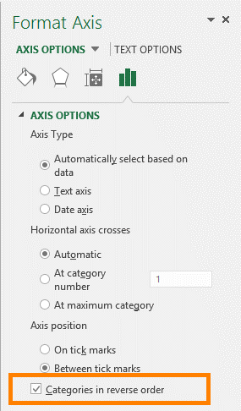

Step 3: Change Gap Width to 0%
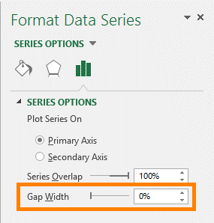

Step 4: Change Spacer Bar to No Fill
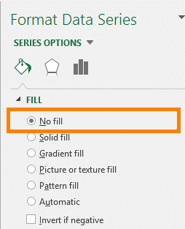

Step 5: Formatting - Remove Extra Chart Elements & Add Labels

Sales Pipeline Funnel

